Cover
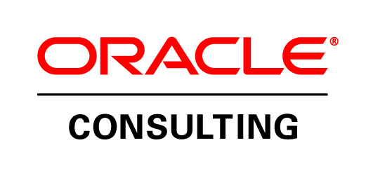

Validation Script
Service Core Management

<Customer Name>
Oracle True Cloud Method

(C) Copyright 2015 Oracle Consulting. Oracle consulting and <Customer Name> confidential
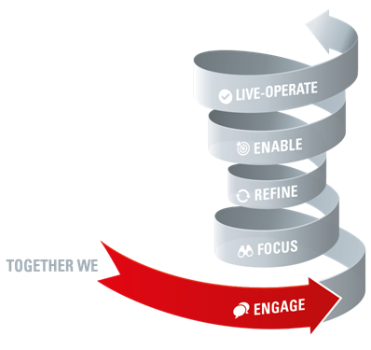
Author: | Nandini Kumar
Creation Date: | 16-May-17
Last Updated: | 15-Sep-17
Document Ref: | <ref>
Version: | <version>

Document Control

Change Record

Date | Author | Version | Change Reference

Reviewers

Date | Name | Position

Distribution

Copy No. | Name | Location

1
2
3
4
5
6
7
8

Open and Closed Issues for this Deliverable

Open Issues

ID | Issue | Resolution | Responsibility | Target Date

1
2
3
4
5

Closed Issues

ID | Issue | Resolution | Responsibility | Target Date

1
2
3
4
5

